Form responses 1
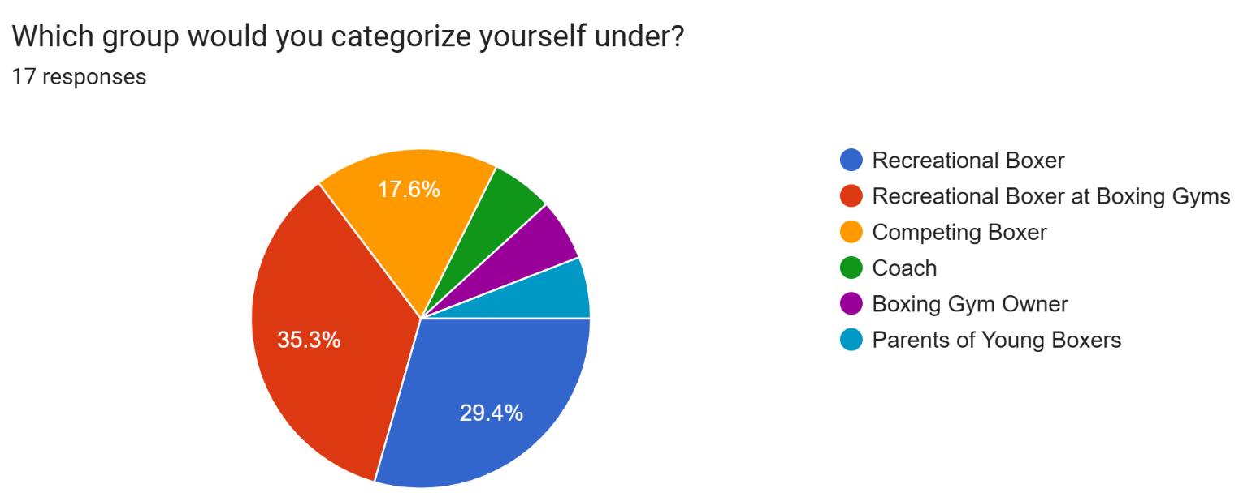
Timestamp | Which group would you categorize yourself under? | Motivation Why did you decide to train boxing? | Pain Points Why not sign-up for a boxing gym-membership? | Pain Points What are challenges you face when training without a boxing gym? | Opportunities What kind of support or tools would make your training more effective? | Motivation What made you join boxing? | Motivation What aspect of boxing sessions do you look forward to the most? | Pain Points What are some challenges you face during boxing? | Training Frequency and Consistency How often do you train each week, and what would make you train more consistently? | Motivation What do you enjoy most about boxing? | Motivation What do you look forward to when competing? | Pain Points Are there any challenges you face from your current training routines? | Future Prospect What kind of change/innovation would you want to see in boxing training / boxing equipment? | Competitive Edge What special training does a competitive boxers do that casual boxers don't do? | Pain Points Are there current bottlenecks in training or your training environment (equipment availability, gym space, scheduling)? | Training Engagement & Essentials What drills or training methods do your boxers find most engaging? | Training Improvements What aspect of training do you feel is most important to boxers? | Business Drivers What’s the most popular class or training format in your gym? | Pain Points What are the biggest challenges in running your gym (costs, staffing, retention, equipment)? | Motivation What made you decide to enroll your child in boxing? | Concerns & Pain Points Do you have any concerns about your child's boxing training sessions? | Future Outlook If your child wanted to pursue boxing more seriously, would you support it? Why? | Rank the boxing drills you feel boxers should spend more time training. [Pad Work / Boxing Techniques] | Rank the boxing drills you feel boxers should spend more time training. [Technical Sparring] | Rank the boxing drills you feel boxers should spend more time training. [Footwork] | Rank the boxing drills you feel boxers should spend more time training. [Defensive Movements (Reflexes, Counter-Punching, Parrying, etc)] | Rank the boxing drills you feel boxers should spend more time training. [Strength/Stamina Conditioning] | Rank the boxing drills you feel boxers should spend more time training. [Heavy Bag] | Are there any other boxing training drills that we may have missed that you think should be prioritized?
9/11/2025 | Competing Boxer |  |  |  |  |  |  |  |  | The preparations in terms of conditioning, reaction times, sharpening my boxing combinations, the strategies before and during the sparring match. | Testing your skills against real opponents, The discipline and structure of preparing for fights, Overcoming fear, nerves, and personal limits, Learning from losses and improving under pressure, Building mental toughness and resilience, The recognition and respect from peers, coaches, or the boxing community, The lifestyle and identity of being a competitive athlete | Not enough sparring partners at your skill or weight level, Scheduling conflicts between school/work and training, Training intensity not matching your goals (too light or too heavy) | Being able to spar at maximum output with any repercussions | More conditioning in terms of fitness, and sparring-related drills |  |  |  |  |  |  |  |  | 1 (Requires more attention) | 2 | 3 | 4 | 5 | 6 (Requires less attention) | No
9/11/2025 | Recreational Boxer | To learn self-defence | Cost of gym memberships being too high, Lack of boxing gyms nearby or inconvenient locations, Limited class times that don’t fit your schedule | No sparring partners to practice with, Lack of coaching or feedback on technique | Training partners or sparring opportunities at your skill level, Tools to track progress (performance, stamina, punch count, accuracy), Technology to give real-time corrections on form or technique |  |  |  |  |  |  |  |  |  |  |  |  |  |  |  |  |  | 1 (Requires more attention) | 2 | 3 | 4 | 5 | 6 (Requires less attention) | No
9/11/2025 | Recreational Boxer at Boxing Gyms |  |  |  |  | To learn self-defense | Sparring with each other, Learning punching combinations, The high-intensity adrenaline workouts, Strategic techniques used in sparring | Risk of injuries from sparring or heavy training, Difficulty finding consistent sparring partners, Limited coaching attention in group sessions, Time commitment and balancing boxing with work/school | Twice a week. I would train more if there is sparring partners that knows how to spar without hurting me |  |  |  |  |  |  |  |  |  |  |  |  |  | 1 (Requires more attention) | 2 | 3 | 4 | 5 | 6 (Requires less attention) | No
9/11/2025 | Coach |  |  |  |  |  |  |  |  |  |  |  |  |  | Limited gym space or overcrowded classes, Difficulty finding enough sparring partners at different skill levels, Safety concerns when managing multiple athletes at once | Pad work or mitt drills with coaches, Sparring sessions (light, technical, or full contact), Partner reaction or defensive drills | Knowing how to control one's power output during sparring |  |  |  |  |  | 1 (Requires more attention) | 2 | 3 | 4 | 5 | 6 (Requires less attention) | No
9/11/2025 | Boxing Gym Owner |  |  |  |  |  |  |  |  |  |  |  |  |  |  |  |  | Technical boxing skills sessions (footwork, combinations, defense), Sparring classes or open sparring days | High operational costs (rent, utilities, equipment maintenance), Recruiting and retaining skilled coaches/trainers, Managing class sizes, schedules, and space limitations, Safety and liability concerns during sparring/training |  |  |  | 1 (Requires more attention) | 2 | 3 | 4 | 5 | 6 (Requires less attention) | No
9/11/2025 | Parents of Young Boxers |  |  |  |  |  |  |  |  |  |  |  |  |  |  |  |  |  |  | To build confidence and self-discipline, To provide structure and focus outside of school, To teach self-defense skills, To be part of a community or social activity | Safety in terms of injuries | No. Only for recreational as I do not want them to get injured in the head that will affect their cognitive abilities
9/11/2025 | Recreational Boxer | needed an outlet to relieve stress | Cost of gym memberships being too high | Limited access to proper equipment (bags, pads, rings), No sparring partners to practice with, Lack of coaching or feedback on technique, Limited space to train effectively | Access to better coaching or personalized feedback, Tools to track progress (performance, stamina, punch count, accuracy), Equipment that provides variety and keeps training engaging, Technology to give real-time corrections on form or technique, Greater flexibility to train at home or outside the gym |  |  |  |  |  |  |  |  |  |  |  |  |  |  |  |  |  | 1 (Requires more attention) | 4 | 2 | 3 | 5 | 6 (Requires less attention) | No
9/11/2025 | Recreational Boxer | Friends invited me as there was a promo for spartans boxing back during summer holiday. | Cost of gym memberships being too high | Limited access to proper equipment (bags, pads, rings), Lack of coaching or feedback on technique, Difficulty staying motivated or disciplined, Missing the social/community aspect of training with peer | Training partners or sparring opportunities at your skill level, More structured training plans or programs, Tools to track progress (performance, stamina, punch count, accuracy), Greater flexibility to train at home or outside the gym, Community or group support to stay motivated |  |  |  |  |  |  |  |  |  |  |  |  |  |  |  |  |  | 2 | 1 (Requires more attention) | 3 | 4 | 5 | 6 (Requires less attention) | No
9/11/2025 | Recreational Boxer | It was an exciting sport to elevate one’s heart rate while keeping myself engaged during the exercise. | Cost of gym memberships being too high, Lack of boxing gyms nearby or inconvenient locations, Feeling uncomfortable in a gym setting (crowds, skill level differences) | Lack of coaching or feedback on technique, Higher risk of developing bad habits without guidance, Fewer opportunities to measure progress or benchmark against others | More structured training plans or programs, Tools to track progress (performance, stamina, punch count, accuracy), Equipment that provides variety and keeps training engaging |  |  |  |  |  |  |  |  |  |  |  |  |  |  |  |  |  | 3 | 6 (Requires less attention) | 2 | 1 (Requires more attention) | 5 | 4 | No
9/14/2025 | Recreational Boxer at Boxing Gyms |  |  |  |  | Fitness and Mental Therapy | Working on my defensive techniques, Working on my offensive techniques, Strategic techniques used in sparring, The coach's insights on my skills/progress/techniques | Risk of injuries from sparring or heavy training | Once or Twice a week |  |  |  |  |  |  |  |  |  |  |  |  |  | 1 (Requires more attention) | 3 | 4 | 2 | 5 | 6 (Requires less attention) | No
9/14/2025 | Recreational Boxer at Boxing Gyms |  |  |  |  | Fitness and fun | The high-intensity adrenaline workouts, Working on my offensive techniques, Strategic techniques used in sparring | Limited coaching attention in group sessions, Frustration with slow progress or skill plateaus | Time abailability |  |  |  |  |  |  |  |  |  |  |  |  |  | 3 | 1 (Requires more attention) | 4 | 2 | 5 | 6 (Requires less attention) | Conditional sparring
9/14/2025 | Competing Boxer |  |  |  |  |  |  |  |  | dodging punches and good counters | Testing your skills against real opponents, The discipline and structure of preparing for fights, Overcoming fear, nerves, and personal limits, Learning from losses and improving under pressure | Not enough sparring partners at your skill or weight level, Scheduling conflicts between school/work and training, Training intensity not matching your goals (too light or too heavy) | things to enable solo training | high contact drills |  |  |  |  |  |  |  |  | 4 | 2 | 3 | 1 (Requires more attention) | 5 | 6 (Requires less attention) | hard sparring
9/14/2025 | Recreational Boxer at Boxing Gyms |  |  |  |  | Competitive nature of sport and fitness | Sparring with each other, Working on my defensive techniques, Working on my offensive techniques, Strategic techniques used in sparring, The coach's insights on my skills/progress/techniques | Time commitment and balancing boxing with work/school | 3 times - limitations are due to recovery and lifestyle |  |  |  |  |  |  |  |  |  |  |  |  |  | 4 | 2 | 1 (Requires more attention) | 3 | 5 | 6 (Requires less attention) | Details to boxing Fundamentals need to be much better taught
9/14/2025 | Recreational Boxer at Boxing Gyms |  |  |  |  | Love for the sport | Sparring with each other, The high-intensity adrenaline workouts, Working on my defensive techniques, Strategic techniques used in sparring, The coach's insights on my skills/progress/techniques | Risk of injuries from sparring or heavy training, Difficulty finding consistent sparring partners | 4-6 hrs a week. Work commitments |  |  |  |  |  |  |  |  |  |  |  |  |  | 4 | 3 | 2 | 1 (Requires more attention) | 5 | 6 (Requires less attention) | No
9/14/2025 | Competing Boxer |  |  |  |  |  |  |  |  | Competitiveness | The discipline and structure of preparing for fights, Overcoming fear, nerves, and personal limits, Building mental toughness and resilience | Difficulty tracking your progress or improvements over time, Scheduling conflicts between school/work and training | More ways to simulate a real fight without hard sparring | Hard and technical sparring |  |  |  |  |  |  |  |  | 4 | 1 (Requires more attention) | 5 | 3 | 2 | 6 (Requires less attention) | Shadowboxing
9/15/2025 | Recreational Boxer | i want to learn self defence | Cost of gym memberships being too high | No sparring partners to practice with | Technology to give real-time corrections on form or technique |  |  |  |  |  |  |  |  |  |  |  |  |  |  |  |  |  | 6 (Requires less attention) | 4 | 5 | 3 | 1 (Requires more attention) | 2 | No
9/15/2025 | Recreational Boxer at Boxing Gyms |  |  |  |  | I have a general love for martial arts and combat sports | Sparring with each other, Strategic techniques used in sparring | Time commitment and balancing boxing with work/school, Frustration with slow progress or skill plateaus, Feeling unmotivated or struggling to stay consistent | Balancing school and training is quite difficult for me right now so it would be great to have more accessible sources of training that i can fit into the odd hours of my schedule |  |  |  |  |  |  |  |  |  |  |  |  |  | 4 | 3 | 2 | 1 (Requires more attention) | 6 (Requires less attention) | 5 | No

